Figure S1
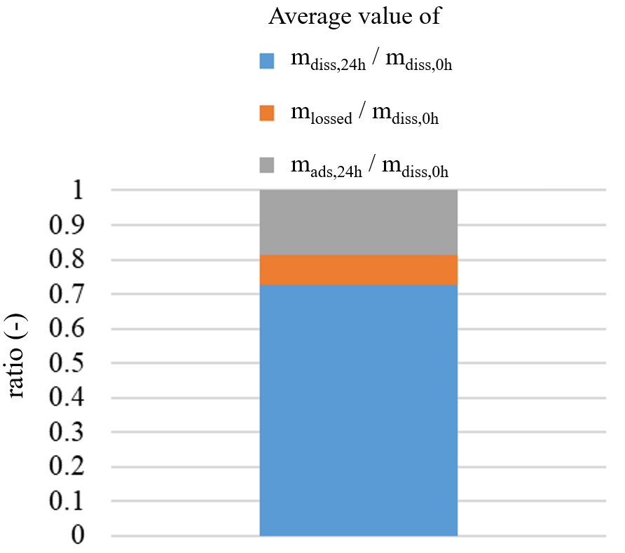
Figure S1. Breakdown between average amount of phytopharmaceuticals present in water after 24 hours, amount lost and amount adsorbed by passive samplers, expressed in relation to the amount initially present in water.

mdiss,0h = amount of pesticide dissolved in water at the beginning of the experiment (t=0)
mads,24h = amount of pesticide adsorbed by the samplers (POCIS and membrane) after 24 hours of their exposure
mdiss,24h = amount of pesticide dissolved in water after 24 hours of samplers exposure
mlossed = mdiss,0h - mads,24h - mdiss,24h

Figure S2
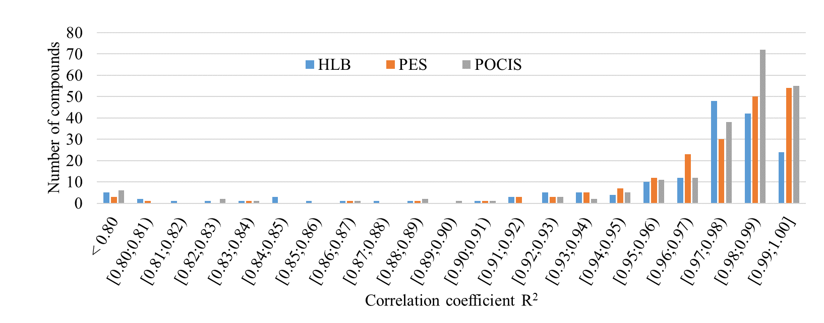
Figure S2. Distribution of R2 values for the two sampler compartments and for the entire POCIS

Figure S3
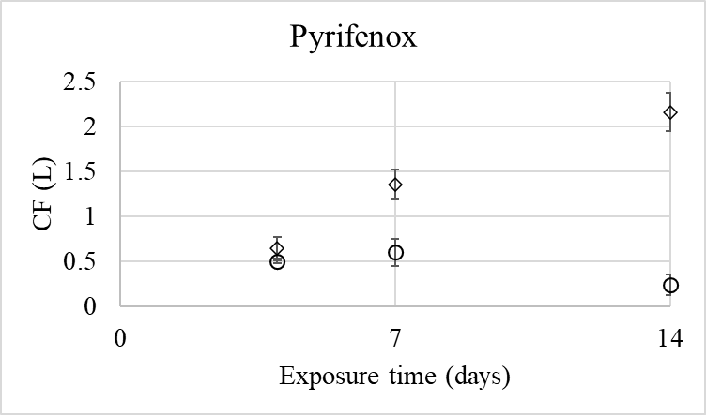
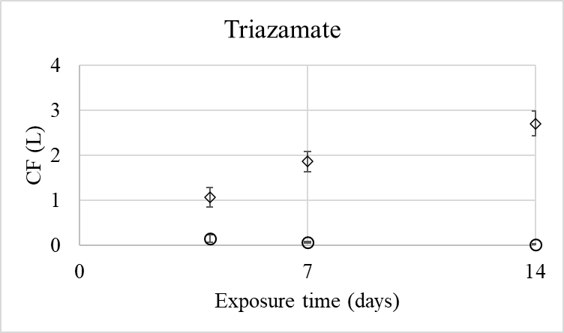
Figure S3. Examples of non-linear uptake trend on the PES membrane

